Finding Data
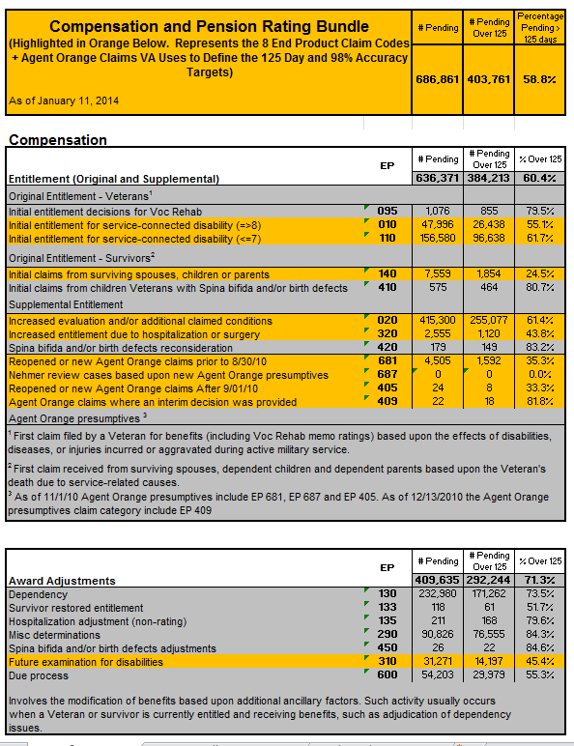
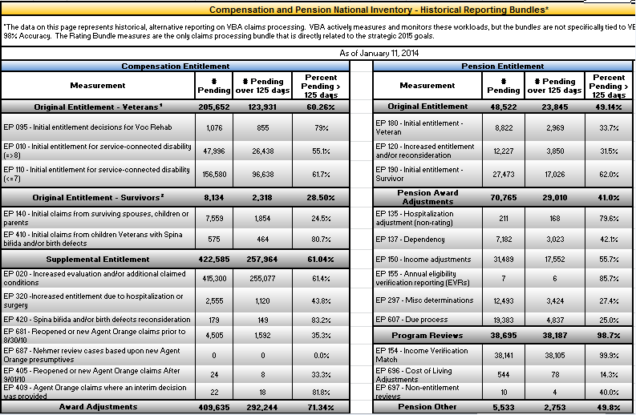
Monday Morning Workload Report Introduction
Understanding the Report: To learn more about the Monday Morning Workload Report, including recent formatting changes,double-click the Microsoft Word icon to the right. Finding Data: The screenshots below provide a quick reference to historical reporting bundles that were previously on the Transformation tab, but now reside on the Traditional Aggregate tab.

Previous Transformation Tab | Current Traditional Aggregate Tab

